CoverPage
MS&E 92 Problem Set 4
Due: | Thursday 8/1
Summary: | This problem set focuses on microsimulation. In part A, you will simulate a decision tree to estimate the costs and consequences of a fictional transfusion-transmitted infection (TTI) under two policies: when blood donations are being tested for the TTI and when they are not. The decision tree has a fairly simple structure, but the probabilities, costs, and QALYs incurred depend on different attributes of the transfusion recipients. You are provided with those attributes (age, immune status, and the number of red blood cell, platelet, and plasma units to be transfused) for 2,000 transfusion recipients, and you will simulate the decision tree for each recipient and then aggregate the outcomes. In part B, we will re-visit the analysis from PS2 (standard therapy vs. over-the-scope clips for endoscopic treatment of a bleeding gastrointestinal peptic ulcer) and perform probabilistic sensitivity analysis (PSA). You will sample all of the parameters from a probability distribution and then re-calculate the costs of each policy 1,000 times. Based on these 1,000 PSA iterations, you will be able to make probabilistic statements about the outcomes. Let's get started! |  | 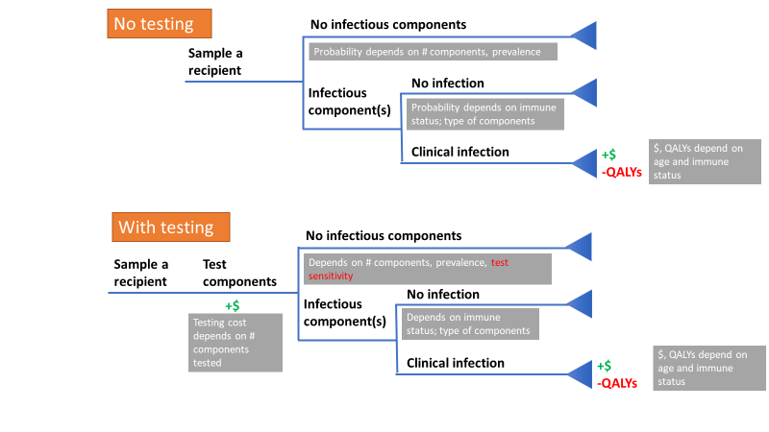
Start early and come to office hours for help!
Part A: Testing donated blood for a transfusion-transmitted infection (TTI)
Task | Task description | Points
1 | Assign named ranges to all the inputs on Blood inputs tab (exact names are up to you, but use names that help you keep track i.e. p_infection_RBC_compro) | 5
2 | On the Blood inputs tab, calculate the probability that a unit is infectious after testing by writing an Excel version of the following formula, where pr is the prevalence among donors and sn is the test sensitivity. Assign a named range to this variable if you didn't before. | 5

3 | On Blood iterations tab, the baseline characteristics for 2,000 transfusion recipients have already been sampled for you (columns B:F). Use formulas to make column G show the correct cost of a clinical infection based on the age and immune status in columns B and C. You can do this using the IF() function multiple times (what we call 'nested if statements'), or by combining a single IF() function with either VLOOKUP() or INDEX(MATCH()). In the MATCH() function you can set the match type to 1, or in VLOOKUP you can set the range lookup to 'approximate match'. | 6
4 | In column H, use a similar procedure to pull in the QALYs lost if a clinical infection occurs based on the recipient's age and immune status. | 6
5 | In column I, multiply the per-component test cost by the total number of components received (RBC+PLT+PLA) in order to compute the cost of testing all components transfused to that recipient. | 5
6 | In column J, calculate each recipient's risk of receiving an infected RBC component with no testing (NT). The probability that the recipient doesn't receive an infected RBC equals (1 - prevalence)^[# RBC received]. The risk that they do receive an infected RBC would be one minus the risk that they don't. Then, in columns K and L, calculate the probability that they receive infectious PLT and PLA components, respectively. | 12
7 | In column M, we will randomly "flip a coin" to see whether or not the recipient receives one or more infectious RBC components, based on the risk we calculated in column J. We do that using a random number between 0 and 1, generated by the RAND() function, and an if statement. We want the function to return a 1 if the recipient receives an infectious RBC donation and to return a 0 otherwise. The formula should look like this: =if(RAND() < [risk of infectious RBC], 1, 0). Then, use the same calculation structure to determine whether the recipient receives an infectious PLA or PLT component in columns N and O. | 10
8 | On the Blood iterations tab, calculate each recipient's risk of receiving an infected RBC component in column Q with testing (WT). The probability that the recipient doesn't receive an infected RBC equals [(1 - probability unit infectious after testing)^[# RBC received]. You need to calculate the risk that they do receive an infected RBC. Then, in columns R and S, calculate the probability that they receive infectious PLT and PLA components, respectively. | 12
9 | In columns T, U, and V, we will randomly "flip a coin" to see whether or not the recipient receives one or more infectious RBC, PLT, or PLA components under the with testing (WT) scenario. The calculations should be similar to what you did in columns M, N, and O. | 10
10 | In column P, we will use the recipient's immune status (column C) as well as whether or not they received infectious blood components (columns M, N, and O) to figure out their risk of a clinical infection. If they receive more than one infectious component (i.e. if an immune competent recipient receives an infectious PLT and RBC component, their risk is MAX(0.5, 0.4) = 0.5. One approach is to use nested if statements like this: | 12
 | =IF( immunocompetent, IF( infectious PLA , p_infect_PLA_compet, IF(infectious PLT, p_infect_PLT_compet, IF(infectious RBC, p_infect_RBC_compet, Otherwise 0))), IF(immunocompromized, IF( infectious PLA , p_infect_PLA_compet, IF(infectious PLT, p_infect_PLT_compet, IF(infectious RBC, p_infect_RBC_compet, Otherwise 0)))
11 | In column W do a similar calculation to the one in column P, except use columns T, U, and W which describe whether an infectious component was received under the With Testing scenario. | 10
12 | In column X, use IF() and RAND() to "flip a coin" to see whether the recipient experiences an infection under the No Testing (NT) scenario. In column Y, do the same thing for the with testing (WT) scenario. | 10
13 | In column Z, if the recipient experienced an infection (column X = 1) then they should incur the relevant costs (which you've calculated in column G). Otherwise, costs under the no testing scenario are 0. | 8
14 | In column AA, all recipients will incur the testing cost you calculated in column I. If an infection occurred during the with testing scenario (column Y = 1), then the recipient infection costs should also be added to the costs in column AA. | 7
15 | In columns AB and AC, if an infection occurred under the policy then you should incur the QALY loss of infection from column H. Otherwise, the QALY loss for that policy should be 0. | 7
16 | Finally, in column AD, subtract the 'infections WT' column from the 'infections NT' column to get the number of infections averted by testing. | 7
17 | On the blood outcomes tab, fill in the first three columns of the green table (number of infections, total cost, total QALYs lost) by summing the corresponding ranges from the table in the blood iterations tab. | 6
18 | In the next two columns, calculate the incremental cost and incremental QALYs gained for the 'with testing' scenario. Note that the incremental QALYs gained is the negative of the incremental QALYs lost (if testing is more effective, incremental QALYs gained associated with testing should be positive). Finally, compute the ICER for the with testing strategy in the last column. | 7
19 | In the yellow table, sum the appropriate column from the blood iterations tab to pull in the total amount the blood center would need to spend on testing to test all the components needed for 2000 recipients. | 5
20 | One of the key advantages of simulating individual recipients is you can analyze what outcomes occur to which types of recipients. In the blue table of blood outcomes, you'll use the SUMIFS() function to total the infections averted by testing by subgroup. You want to sum column AD, but only the rows for which certain criteria are met. Here's the equation you can use for the first row of the table. You can tweak it to get the others: | 9
 | =SUMIFS('Blood iterations'!AD:AD,'Blood iterations'!C:C, 0, 'Blood iterations'!B:B, ">50")
 | Congrats, you built your first microsimulation! You might notice that whenever you enter a new formula, the numbers shift around a little. That is because we have random numbers that are regenerating. Also for that reason, there isn't a single exact answer we're looking for. To get more stable, precise outcomes, you would want to perform many more then 2,000 PSA iterations.
Part B: Probabilistic sensitivity analysis (PSA) for standard therapy vs. over-the-scope clip for peptic ulcer EGD cost minimization
21 | In this part, you will perform PSA on the cost minimization analysis from PS2. On the PSA inputs tab, all necessary model parameter has been assigned a fully specified distribution (i.e. the distribution parameters are given). We will sample all probabilities from beta distributions and all costs from gamma distributions. Both beta and gamma distributions are parameterized by two parameters, alpha and beta. Assign a named range to each of the distribution parameters (cells G3:G13, H3:13). | 5
22 | On the PSA iterations tab, the base case analysis from PS2 is reproduced in row 4. Look at the equations in the blue, outcomes columns (M4:O4). These are a condensed versions of the calculations you did on the PS2 decision tree. In column P, use nested if statements to return the name of the lowest-cost policy (i.e. 'ST only', 'OTSc first', or 'ST first'). | 6
23 | In column Q, use subtraction to calculate the cost saving of the ST first policy as compared to OTSc first. | 5
24 | In cell B9, randomly sample the probability of rebleed after standard therapy using the following equation: | 7
 | =BETA.INV(RAND(), a_p_ST_rebleed, b_p_ST_rebleed)
25 | In cells B9:E9, use the BETA.INV function to randomly sample the other probability model parameters from a beta distribution with the distribution parameters from the PSA inputs tab. In cells F9:L9, use the GAMMA.INV function to randomly sample the cost model parameters using the distribution parameters from the PSA inputs tab. You now have generated your first set of input distributions for your first PSA iteration. | 8
26 | In M9:Q9, replicate the outcome calculations from the base case analysis. | 9
27 | Drag down all of the equations in the PSA iterations table, creating 1,000 PSA iterations. | 5
28 | On the PSA results tab, in the blue box, use COUNTIF() to count the number of PSA iterations for which ST first was the cost-minimizing procedure. To get the % of iterations, divide by 1,000. | 8
29 | In the green table, you will compute the probability that the cost savings of doing ST first is at least X dollars. You can use the COUNTIF() function as follows: | 8
 | =COUNTIF('PSA iterations'!$Q$9:$Q$1008,"<"&'PSA results'!A11)/1000
30 | Make an XY scatter plot with smooth lines based on the data in the green table. Put 'Amount' on the X axis and 'Probability' on the Y axis. Give your figure an appropriate title and axis labels. Set the bounds of the Y axis to range from 0 to 1, and set the X axis to range from 0 to $1000. | 10
 | Congrats, you've run and analyzed a probabilistic sensitivity analysis!

